Project Data
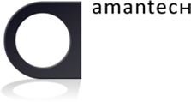

Projects Daily Log
Project Name: | Cloud App Studio
Date: | 2012-04-02
Author: | Mikael Floberg
Owner: | Mikael Floberg
Client: | Amantech

